1. Title Page
[Project Name]

Project Name: Grocery Basket Analysis
Date: 06/20/2024
Analyst Name: Angelo Cruz

Contents:
Population Flow
Consistency checks
Wrangling steps
Column derivations
Visualizations
Recommendations

2. Population Flow
Title page

Population flow

Exclusion flag
Condition: max_order <
Obervations to be removed:
Final total count of order_products_all:

Orders_products_combined
Orders_products_merged
Orders_products_all

Total:
Total:
Total:

1.) The grey boxes in the first row of the population flow represent the original data sets as they were when you downloaded them. In the Total fields you need to add the count of the rows when you imported the data set into Jupyter.
2.) The second row of boxes (coloured) represents the data sets after you manipulated them, e.g., removed missing values and duplicates. In the Total fields you need to add the count of the rows after conducting these operations. This offers a visual oveview of how the data flows throughout the data consistency checks.
3.) The third row, where also the arrows are coloured, represents the merges you performed between the datasets. In the Total fields you need to add the count of the rows in the merged datasets, so that you end up with the final dataset (in the red box). Keep in mind the final dataset should be without exclusions (based on the exclusion flag).

3. Consistency checks
 |  |  |  | Title page
Consistency checks

Dataset | Missing values | Missing values treatment | Duplicates
orders | 206,209 - in "days_since_prior_order" | Impute the value with the mean | 0 rows removed
products | 16 - in "product_name" | Removed | 16 rows removed
orders_products_prior | n/a | n/a | n/a
customers | n/a | n/a | n/a
 | n/a | n/a | n/a

4. Wrangling steps
 |  |  |  |  |  | Title page
Wrangling steps

Dataset | Columns dropped | Columns renamed from | Columns renamed to | Columns' type changed | Comment/Reason
orders.csv | eval_set |  |  |  | not needed
 |  | order_dow | orders_day_of_week |  | clear to undestand
 |  |  |  | order_id - string
 |  |  |  | order_number - string
 |  | order_since_prior_order | days_since_last_order |  | clear to undestand
customers.csv | First Name |  |  |  | not needed
 | Surname |  |  |  | not needed
 | Gender |  |  |  | not needed
 | date_joined |  |  |  | not needed
 |  | Age | age |  | consistency
 |  | STATE | state |  | consistency
ords_prods_cust | order_number |  |  |  | dropped only for the analysis in exercise, they were not dropped in the df
 | days_since_last_order
 | product_id
 | add_to_cart_order
 | product_name
 | aisle_id

5. Column derivations
 |  |  |  | Title page

Column derivations and aggregations

In this tab you should add tables below that the frequences of flags/label variables that you produced after deriving them. NB: don't do this for continuous variables, only for flags.
Dataset | New column | Column/s it was derived from | Conditions
orders_checked | first_order | days_since_prior_order | ["days_since_prior_order"].isnull() True (206,209) False (3,214,874)
df_merged_large (orders products merged) | price_range | prices | High-range product (412,551): "prices" > 15 Mid-range product (21,860,860): 5 < "prices" <=15 Low-range product (10,126,321): "prices" <= 5
df_merged_large (orders products merged) | busiest_days | orders_day_of_week | Busiest days (11,862,627): if value in [0, 1] Slowest days (7,623,037): elif value in [3, 4] Regularly busy (12,914,068): else (value in [2, 5, 6])
df_merged_large (orders products merged) | busiest_period_of_day | order_hour_of_day | Most orders (21,114,733): if value in [10, 11, 14, 15, 13, 12, 16, 9] Average orders (9,996,048): elif value in [17, 8, 18, 19, 20, 7, 21, 22] Fewest orders (1,288,951): else (value in [23, 6, 0, 1, 5, 2, 4, 3])
df_ords_prods_merge | loyalty_flag | max_order (which was derived from user_id & order_number) | Loyal customer (10,282,763): "max_order" > 40 Regular customer (15,874,128): 10 < "max_order" <= 40 New customer (6,242,841): "max_order" <= 10
df_ords_prods_merge | spending_flag | user_mean_product_price (which was derived from user_id & prices) | Low spender (32,280,013): "user_mean_product_price" < 10 High spender (119,719): "user_mean_product_price" >= 10
orders_products_all | frequency_flag | median_days_between_orders (which was derived from user_id & days_since_prior_order) | Frequent customer (21,556,644): "median_days_between_orders" <= 10 Regular customer (7,207,340): 10 < "median_days_between_orders" <= 20 Non-frequent customer (3,635,743): "median_days_between_orders" > 20 nan (5): The result of 5 customers who only ever made 1 purchase and thus had no value in "median_days_between_orders"
df_final_dataset | region | state | Northeast (5,721,892): "State" isin ['Maine', 'New Hampshire', 'Vermont', 'Massachusetts', 'Rhode Island', 'Connecticut', 'New York', 'Pennsylvania', 'New Jersey'] Midwest (7,596,065): "State" isin ['Wisconsin', 'Michigan', 'Illinois', 'Indiana', 'Ohio', 'North Dakota', 'South Dakota', 'Nebraska', 'Kansas', 'Minnesota', 'Iowa', 'Missouri'] West (8,291,679): "State" isin ['Idaho', 'Montana', 'Wyoming', 'Nevada', 'Utah', 'Colorado', 'Arizona', 'New Mexico', 'Alaska', 'Washington', 'Oregon', 'California', 'Hawaii'] South (10,790,096): "State" isin ['Delaware', 'Maryland', 'District of Columbia', 'Virginia', 'West Virginia', 'North Carolina', 'South Carolina', 'Georgia', 'Florida', 'Kentucky', 'Tennessee', 'Mississippi', 'Alabama', 'Oklahoma', 'Texas', 'Arkansas', 'Louisiana']
df_final_dataset | age_group | age | Middle-aged Adult (31-59) = 14085820 Senior (>=60) = 10574504 Young Adult (<=30) = 6304240
df_final_dataset | income_group | income | Mid Income (51000-149999) = 23706735 High Income (>= 150000) = 3895275 Low Income (<= 50000) = 3362554
df_final_dataset | hour_group | order_hour_of_day | Afternoon Shopper (>12 to <=18) = 13590355 Morning Shopper (>= 6 to <= 12) = 12927366 Night Shopper (> 18 to <= 22) = 3494958 Wee-hours Shopper (< 6 and > 22) = 951885
df_final_dataset | day_group | orders_day_of_week | Weekend=0,6 (Sunday, Saturday resp.) Weekday=1 to 5 (Monday to Friday)

6. Visualizations
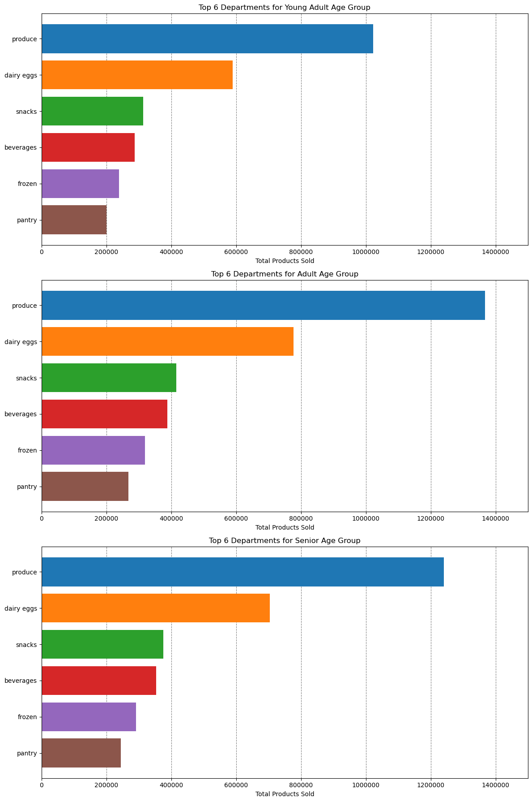
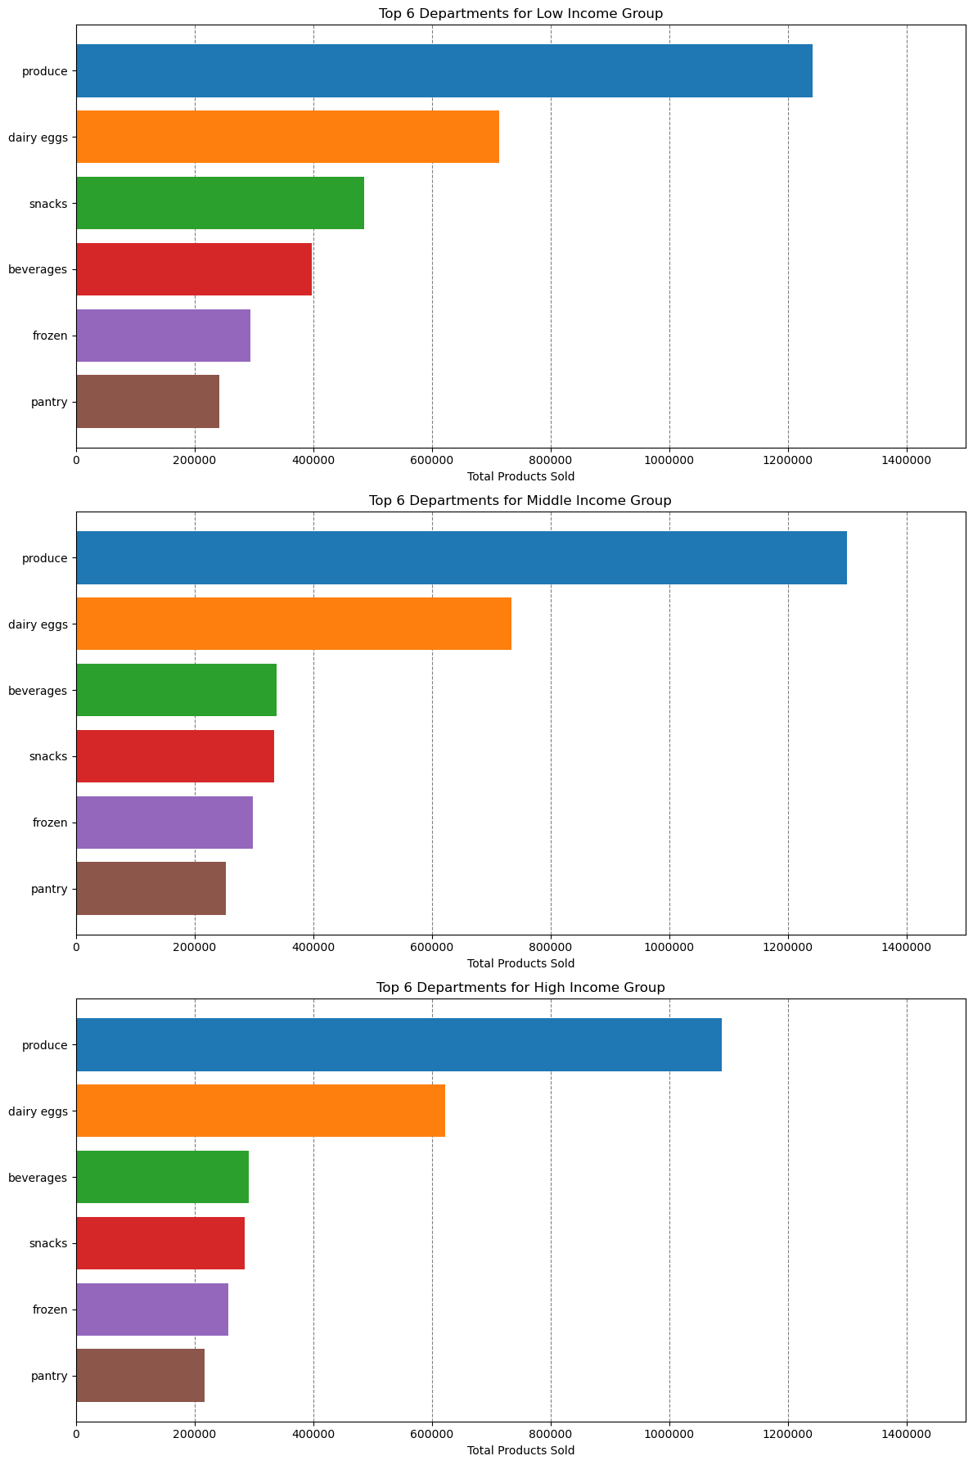
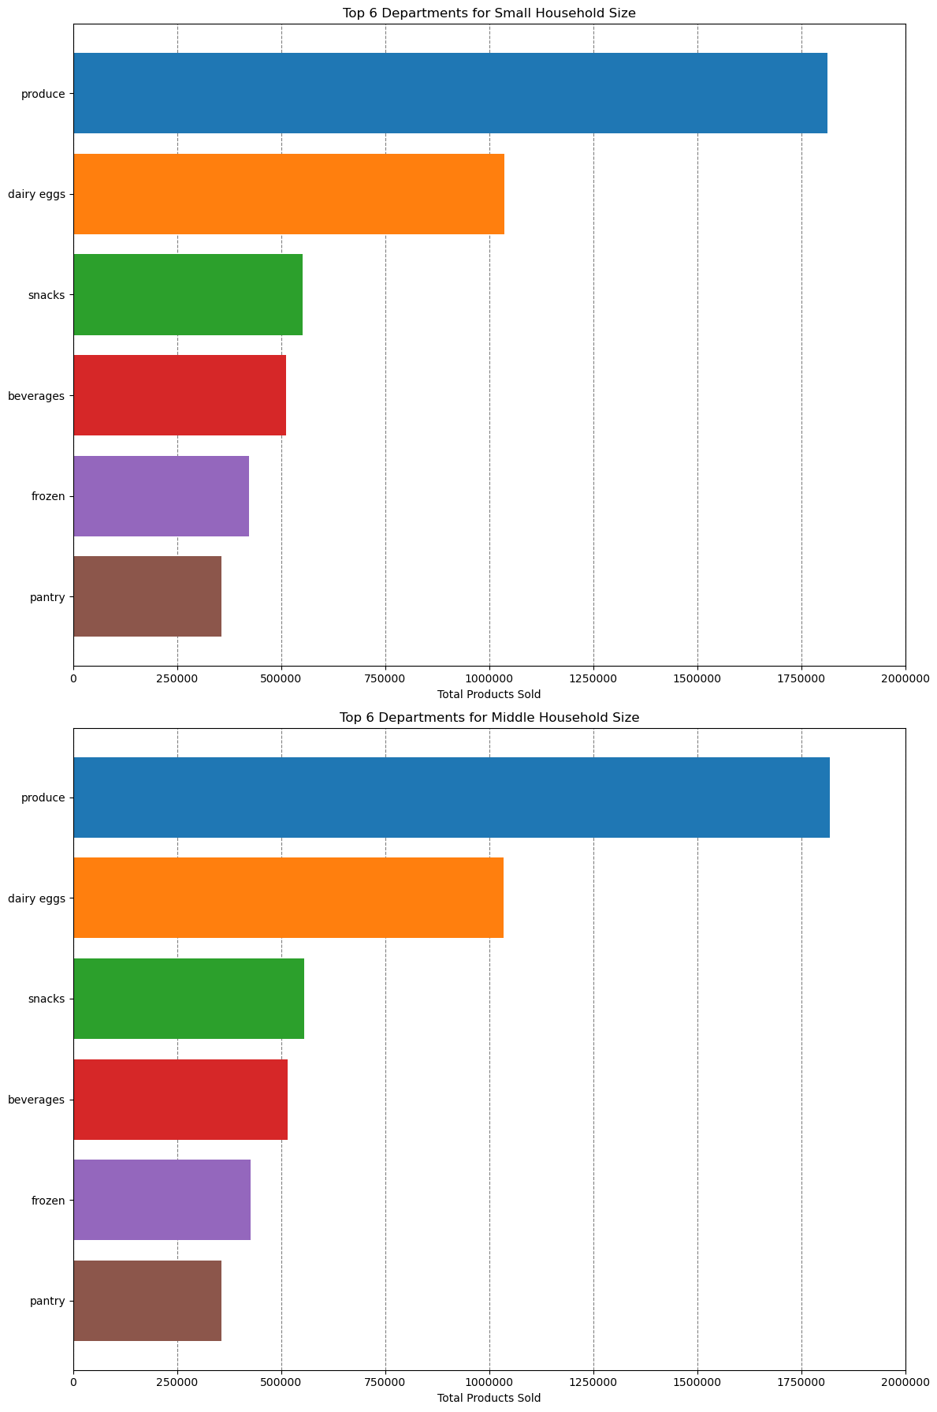
 |  |  |  |  |  | Title page

Visualisations
Visualisations

In this tab you should include all the visualtions from Exercises 4.9 and 4.10, alongside the questions from the project brief that they answer. Include any commentary on the relationship between different variables.
What days of the week and hours of the day are busiest?
 | Saturday and Sunday are the busiest and between 10:00 and 16:00 are the most orders

 |  | Numbers of orders per week day |  |  | Numbers of orders per week day



 |  |  |  |  |  |  | Legend
 |  |  |  |  |  |  | Number | Day
 |  |  |  |  |  |  | 0 | Saturday
Frequency
 |  |  |  |  |  |  | 1 | Sunday
 |  |  |  |  |  |  | 2 | Monday
 |  |  |  |  |  |  | 3 | Tuesday
 |  |  |  |  |  |  | 4 | Wednesday
 |  |  |  |  |  |  | 5 | Thursday
 |  |  |  |  |  |  | 6 | Friday

Hour of the day

What times of the day people spend the most money?
 | The is no statistically significant answer to that. Between 9:00 and 13:00 people spent apparently less than in the other hours.


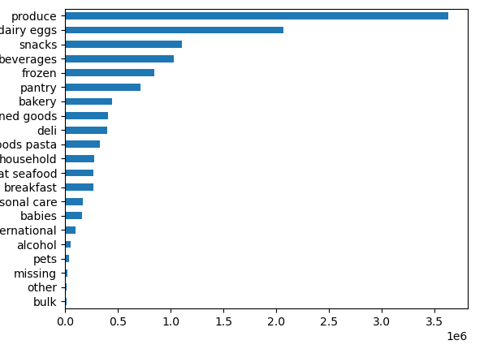
Which departments have the highest frequency of product orders?
 |  |  |  | Department, Counts
 |  |  | 1 | produce 3631549
 |  |  | 2 | dairy eggs 2070536
 |  |  | 3 | snacks 1105797
 |  |  | 4 | beverages 1027086
 |  |  | 5 | frozen 849358
 |  |  | 6 | pantry 712871
 |  |  | 7 | bakery 448698
 |  |  | 8 | canned goods 404854
 |  |  | 9 | deli 401834
 |  |  | 10 | dry goods pasta 328615
 |  |  | 11 | household 279941
 |  |  | 12 | meat seafood 269980
 |  |  | 13 | breakfast 268843
 |  |  | 14 | personal care 169975
 |  |  | 15 | babies 164381
 |  |  | 16 | international 103037
 |  |  | 17 | alcohol 57625
 |  |  | 18 | pets 37270
 |  |  | 19 | missing 25888
Number of orders
 |  |  | 20 | other 13834
 |  |  | 21 | bulk 13412

What’s the distribution among users in regards to their brand loyalty?

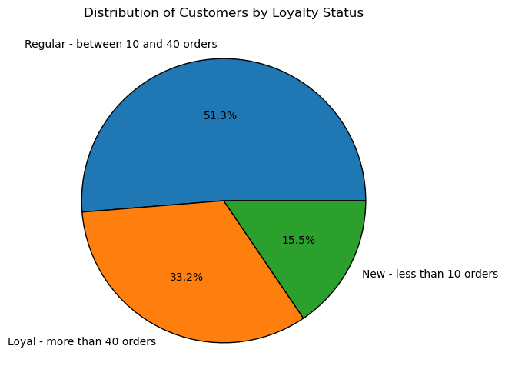

Are there differences in ordering habits based on a customer’s loyalty status?
 | Loyal costumers purchase more and more often
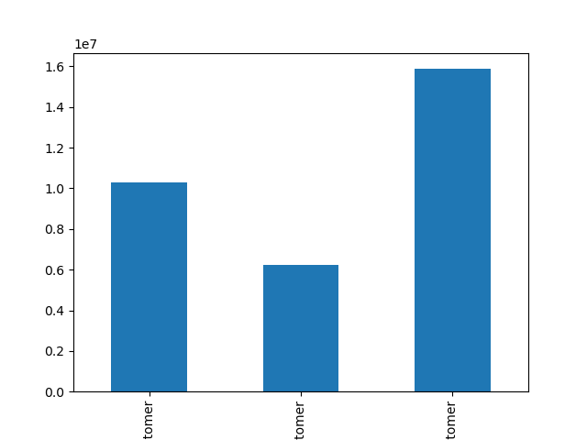
Loyal customer
New customer
Regular customer
Number of orders
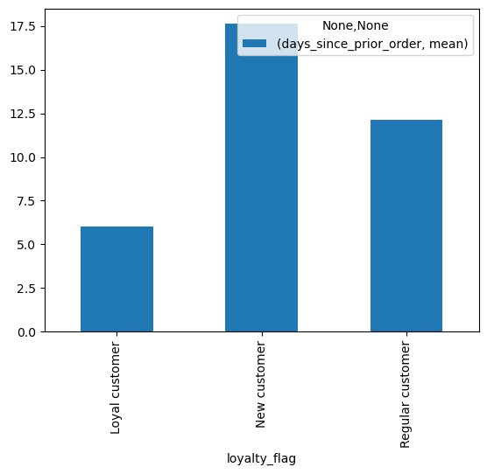
Loyal customer
New customer
Regular customer
Mean of days since prior order

Are there differences in ordering habits based on a customer’s region?
 | In all regions are much less "high spender" than "low spender".
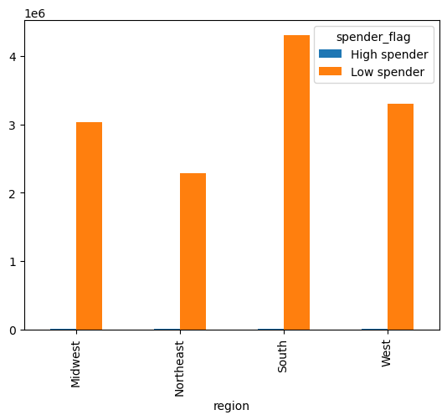

Is there a connection between age in terms of ordering habits?
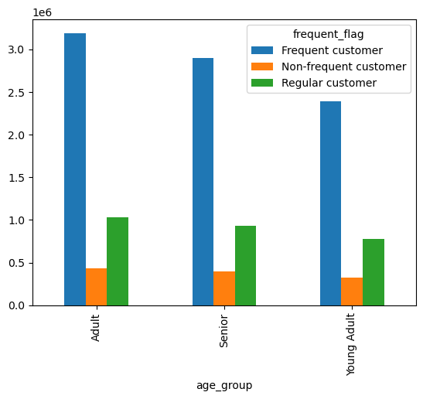
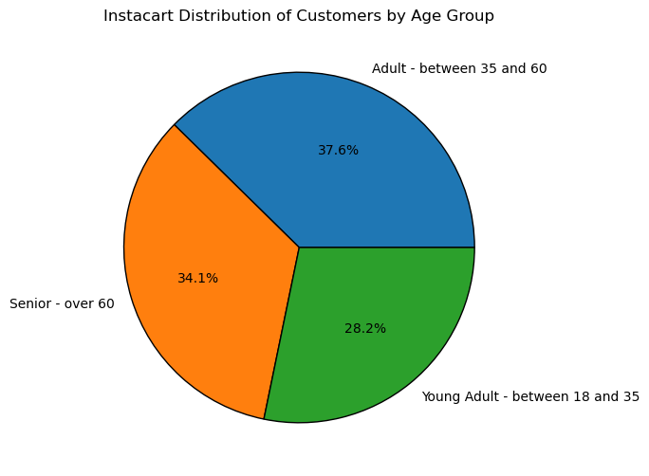

What differences can you find in preferece for departments for different customer profiles?

7. Recommendations
 |  |  |  | Title page

Recommendations
In this tab you should include any recommendations you would made to Instcart in terms of their marketing strategy based on the questions posed in the brief. Every key question has been covered in the Tasks of the Exercises - here you need to add an item - a visualisation or table/crosstable that is showing the answer in the data, acompanied by a comment from you. Please, list the questions below and add the answer underneath.

 | Question | Answer | Recommendation

4.7 | What days of the week and hours of the day are busiest? | Saturday and Sunday are the busiest days. Wednesday and Tuesday are the least busy. Between 8:00 and 18:00 are the most busy hours. Between 0:00 and 6:00 are the least busy hours. | The days that we can increase sales are Tuesday and Wednesday. It doesn't seem very beneficial to schedule advertisements for when people are sleeping, such as right before 8:00 or right after 18:00, when individuals have time to view the commercials.

 | What times of the day people spend the most money? | Between 13:00 to 09:00 in the morning is slightly better than 9:00 to 13:00. However there is not a strong statistical confidence for that. | Advertise pricier products in the interval of ß9:00 to 13:00.

 | Which departments have the highest frequency of product orders? | Top 5: Produce, diary & eggs, snacks, beverages and frozen products (in decrescent order) | Put more advertising in the categories with the lowest sales potential (bulk, pets, international, baby products, and personal care)

 | What’s the distribution among users in regards to their brand loyalty? | Regular customers - 51.3 % Loyal customers - 33.2% New customers - 15.5% | Because new consumers account for only 15.5% of total customers, there is significant room for growth.

 | Are there differences in ordering habits based on a customer’s loyalty status? | Yes, loyal customers make orders more frequently | Perhaps a loyalty incentive program might make frequent purchases more enticing.

 | Are there differences in ordering habits based on a customer’s region? | In all regions are much less "high spender" than "low spender". Some regions have a higher total number of customers than others. | Possibly use a more appropriate threshold or another variable to evaluate it.

 | Is there a connection between age in terms of ordering habits? | Considering the distribution of the age groups, there is no significant difference | It is unnecessary to create separate adverts to appeal to various demographic groups.

 | What differences can you find in preferece for departments for different customer profiles? | It's not very important that the choices for areas are made in the same order and proportions for all groups. | To reach different groups, you don't need to make different ads.

